staff assign. codes
Code | Description (No mathc? Find a similar title.) | Code | Staff Assignment Description
0101 | SUPERINTENDENT | 2210 | SCHOOL NURSE-TEACHER
0102 | ASSISTANT SUPERINTENDENT | 2211 | SCHOOL NURSE (RN)
0300 | EXECUTIV DEPUTY SUPERINTENDENT | 2212 | LICENSED PRACTICAL NURSE (LPN)
0301 | DEPUTY OR ASSOCIATE SUPT | 2022 | SCHOOL SOCIAL WORKER
0302 | ASSOC SUPT ELEMENTARY EDUCATION | 2017 | SCHOOL PSYCHOLOGIST
0304 | ASSOC SUPT SECONDARY EDUCATION | 2117 | SCHOOL COUNSELOR
0308 | ASSOC SUPT ADMINISTRATION
0310 | ASSOC SUPT MIDDLE-LEVEL EDUCATION | Staff with the above codes MUST have responses in Columns I and R.
0312 | ASSOC SUPT CURRICULUM
0314 | ASSOC SUPT INSTRUCTION
0316 | ASSOC SUPT PERSONNEL/RECRUITMT | Column I: Assignment Field
0318 | ASSOC SUPT RESEARCH | RESPONSE | Description
0320 | ASSOC SUPT SPECIAL EDUCATION | In district | charter school employee
0322 | ASSOC SUPT BUSINESS | Contracted in public | employee of another school (charter or DOE)
0399 | ASSOC SUPT | Contracted in private | contracted from a private entity (non-educational)
0402 | ASST SUPT ELEMENTARY EDUCATION | Contracted out public | employed at your charter school and contracted to work at another
0404 | ASST SUPT SECONDARY EDUCATION | Contracted out private | employed at charter and contracted to provide direct services to a non-public school
0406 | ASST SUPT OCCUPATIONAL EDUCUCATION
0407 | ASST SUPT BILINGUAL EDUCATION | Column R: Percent Time | 0.000 - 100
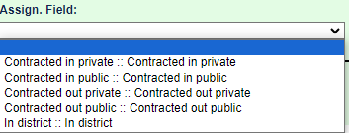
0408 | ASST SUPT ADMINISTRATION
0410 | ASST SUPT MIDDLE-LEVEL EDUCATION
0412 | ASST SUPT CURRICULUM
0414 | ASST SUPT INSTRUCTION
0416 | ASST SUPT PERSONNEL/RECRUITMNT
0418 | ASST SUPT RESEARCH
0421 | ASST SUPT SPECIAL EDUCATION
0422 | OTHER ASSISTANT SUPERINTENDENT
0499 | ASST SUPT
0702 | DIRECTOR ELEMENTARY EDUCATION
0704 | DIRECTOR SECONDARY EDUCATION
0706 | DIRECTOR OCCUPATIONAL EDUCATION
0710 | DIRECTOR OF MIDDLE-LEVEL EDUCATION
0712 | DIRECTOR CURRICULUM
0714 | DIRECTOR INSTRUCTION
0715 | DIRECTOR MATH-SCI-TECH (MST)
0716 | DIRECTOR PERSONNEL/RECRUITMENT
0717 | DIRECTOR OF DIVERSITY, EQUITY AND INCLUSION
0718 | DIRECTOR RESEARCH
0719 | DIRECTOR OF OPERATIONS
0720 | AIS/RTI COORDINATOR
0721 | DIR/COORD OF BUILDING/GROUNDS
0726 | DIRECTOR INSERVICE TRAINING
0727 | DIRECTOR GIFTED/TALENTED
0729 | DIRECTOR STAFF DEVEL/TRAINING
0730 | OTHER DIRECTOR OR COORDINATOR
0900 | ASST SUPT STATE-FED AIDED PGMS
0902 | DIRECTOR STATE-FED AIDED PGMS
0904 | DIST COORD STATE-FED AID PGMS
0912 | OTHER STATE-FED AIDED PROG ADM
1000 | ASST SUPT FOR BUSINESS
1004 | BUSINESS MANAGER I AND II
1005 | SCHOOL BUSINESS EXEC I, II, III
1008 | BUSINESS OFFICIAL
1009 | SCHOOL BUSINESS ADMINISTRATOR
1010 | OTHER BUSINESS MANAGEMENT
1011 | TREASURER
1099 | SCHOOL BUSINESS MANAGEMENT
1102 | PRINCIPAL ELEMENTARY SCHOOL
1104 | PRINCIPAL MIDDLE SCHOOL
1106 | PRINCIPAL JUNIOR HIGH SCHOOL
1107 | PRINCIPAL K - 12 SCHOOL
1108 | PRINCIPAL SENIOR HIGH SCHOOL
1109 | PRINCIPAL JUNIOR/SENIOR H S
1110 | PRINCIPAL SPECIAL SCHOOL
1202 | ASST PRINCIPAL ELEMENTARY SCH
1204 | ASST PRINCIPAL MIDDLE SCHOOL
1206 | ASST PRINCIPAL JUNIOR HIGH SCH
1207 | ASST PRINCIPAL K - 12 SCHOOL
1208 | ASST PRINCIPAL SENIOR HIGH SCH
1209 | ASST PRIN JUNIOR/SENIOR H S
1210 | ASST PRINCIPAL SPECIAL SCHOOL
1300 | OTHER SCHOOL OR BLDG ADMINISTR
1401 | LABOR RELATIONS/NEGOTIATOR
1409 | CHIEF INFORMATION OFFICER (CIO)
1411 | DATA COORDINATOR
1420 | MENTOR TEACHER
1421 | RESOURCE TEACHER
1422 | TEACHER TRAINER-COMMON BRANCH
1424 | TEACHER TRAINER-LANG, SOC STUD
1426 | TEACHER TRAINER-MATH, SCIENCE
1427 | TEACHER TRAINER-COMPUTERS
1428 | OTHER GENERAL STAFF
1429 | teacher on special assignment
1502 | DIRECTOR/COORDINATOR SPEC EDUC
1504 | ASST DIR/COORD OF SPECIAL ED
1505 | SPECIAL ED-INSERVICE TRAINER
1506 | SPECIAL EDUCATION SUPERVISOR
1507 | SPEC ED-CHAIR-COMM ON SPEC ED
1508 | SPEC ED-DEPT HEAD/CHAIRPERSON
1509 | SPEC ED-ASST PRINCIPAL-NYC
1510 | CHAIR/COMM-PRESCHOOL SPEC EDUC
1512 | SCHOOL BASED SUPPORT TEAM-NYC
1514 | EDUCATION EVALUATOR
1516 | OTHER-NOT SPECIAL ED TEACHER
1520 | AUDIOLOGIST
1522 | SPEECH LANG PATHOLOGIST
1524 | INTERPRETER
1526 | PSYCHOLOGIST
1528 | SOCIAL WORKER
1530 | OCCUPATIONAL THERAPIST
1532 | PHYSICAL THERAPIST
1534 | MEDICAL/NURSING SERVICES
1536 | COUNSELING, INCL. REHAB
1538 | ORIENTATION/MOBILITY SPEC
1599 | SPECIAL EDUCATION ADMINISTRATOR
1602 | DIRECTOR DATA PROCESSING SERVC
1610 | OTHER DATA PROCESSING ADMIN.
2000 | ASST SUPT FOR PUPIL SERVICES
2002 | DIRECTOR PUPIL SERVICES
2005 | DEAN OF STUDENTS
2006 | DISTRICT SPRVSG ATTNDNC OFFICR
2012 | ATTENDANCE TEACHER
2013 | ATTENDANCE TEACHER-BILINGUAL
2017 | SCHOOL PSYCHOLOGIST
2018 | SCHOOL PSYCHOLOGIST-BILINGUAL
2019 | DIRECTOR SCHOOL SOCIAL WORKERS
2022 | SCHOOL SOCIAL WORKER
2023 | SCHOOL SOCIAL WORKER-BILINGUAL
2102 | DIR, COORD, SUPV OF GUIDANCE
2117 | K-12 School COUNSELOR
2118 | K-12 SCHOOL COUNSELOR-BILINGUAL
2199 | PUPIL PERSONNEL SVC-GUIDANCE
2210 | SCHOOL NURSE-TEACHER
2211 | SCHOOL NURSE (RN)
2212 | LICENSED PRACTICAL NURSE (LPN)
2213 | DENTAL HYGIENIST
2214 | PHYSICIAN ASSISTANT
2298 | OTHER SCH HEALTH SERVICES
2300 | OTHER PUPIL PERSONNEL SERVICES
2410 | OTHER PREKINDERGARTEN ADMIN
2510 | OTHER KINDERGARTEN ADMINIST
2608 | RESOURCE TEACHER COMMON BRANCH
2610 | OTHER COMMON BRANCH ADMINIST
3002 | DIRECTOR OF READING
3007 | READING CONSULTANT
3008 | CHAIRPERSON OF READING
3010 | OTHER READING ADMINISTRATOR
3102 | DIRECTOR OF ENGLISH
3108 | CHAIRPERSON OF ENGLISH
3110 | OTHER ENGLISH ADMINISTRATOR
3202 | OVERALL DIRECTOR FOREIGN LANG
3208 | CHAIRPERSON ALL FOREIGN LANG
3210 | OTHER ADMIN ALL FOREIGN LANG
4102 | DIRECTOR OF MATHEMATICS
4108 | CHAIRPERSON OF MATHEMATICS
4110 | OTHER ADMIN - MATHEMATICS
4201 | CURRICULUUM COORDINATOR - SCIENCE
4202 | DIRECTOR OF SCIENCE
4203 | ELEMENTARY LEVEL SCIENCE COORD
4208 | CHAIRPERSON OF SCIENCE
4210 | OTHER SCIENCE
4302 | DIRECTOR OF SOCIAL STUDIES
4308 | CHAIRPERSON OF SOCIAL STUDIES
4310 | OTHER ADMIN- SOCIAL STUDIES
4402 | DIRECTOR OF ART
4408 | CHAIRPERSON OF ART
4410 | OTHER (NOT ART TEACHER)
4507 | HEALTH COORDINATOR
4508 | CHAIRPERSON HEALTH EDUCATION
4510 | OTHER ADMIN HEALTH EDUCATION
4603 | DIRECTOR OF PHYSICAL EDUCATION
4608 | CHAIRPERSON/PHYSICAL EDUCATION
4610 | OTHER ADMIN IN PHYSICAL EDUC
4611 | CERTIFIED ATHLETIC TRAINER
4702 | DIRECTOR OF MUSIC
4708 | CHAIRPERSON OF MUSIC
4710 | OTHER MUSIC ADMINISTRATOR
4802 | DIRECTOR/COORD OF AGRICULTURE
4808 | CHAIRPERSON OF AGRICULTURE
4810 | AGRICULTURE OTHER
4902 | DIRECTOR OF BUSINESS EDUCATION
4908 | CHAIRPERSON BUSINESS EDUCATION
4910 | OTHER ADMINISTRATOR-BUS ED
5002 | DIRECTOR OF FAMILY CONSUMER SCI
5008 | CHAIRPERSON OF FAMILY CONSUMER SCI
5010 | OTHER FAMILY CONSUMER SCI ADMIN
5102 | DIRECTOR OF TECHNOLOGY (I.A.)
5108 | CHAIRPERSON-TECHNOLOGY
5110 | OTHER TECHNOLOGY ADMIN
5202 | DIRECTOR-TRADE/TECHNICAL EDUCA
5208 | CHAIRPERSON-TRADE/TECHNICAL ED
5210 | OTHER TRADE/TECH ED ADMIN
5402 | DIRECTOR OF HUMANITIES
5408 | CHAIRPERSON OF HUMANITIES
5410 | OTHER HUMANITIES ADMINISTRATOR
5602 | DIRECTOR/BILINGUAL EDUCATION
5607 | RESOURCE TEACHER/BILINGUAL ED
5610 | OTHER BILINGUAL ED ADMIN
5701 | DIRECTOR-SAFETY EDUCATION
5702 | DIRECTOR OF DRIVER EDUCATION
5707 | CHAIRPERSON-SAFETY EDUCATION
5708 | CHAIRPERSON-DRIVER EDUCATION
5710 | OTHER ADMIN SAFETY EDUCATION
5902 | DIRECTOR HEALTH OCCUPATIONS ED
5908 | CHAIRPERSON HLTH OCCUPATION ED
5910 | OTHER ADMIN HLTH OCCUPATION ED
6402 | DIRECTOR/COORD OF THEATRE
6408 | CHAIRPERSON OF THEATRE
6410 | OTHER ADMIN - THEATRE
6702 | DIRECTOR/COORD OF DANCE
6708 | CHAIRPERSON OF DANCE
6710 | OTHER DANCE
7102 | DIRECTOR OTHER SUBJECT AREA
7108 | CHAIRPERSON OTHER SUBJECT AREA
7110 | OTHER ADMIN-OTHER SUBJECT AREA
7402 | DIRECTOR/COORD/SUPV-LIBRARY
7403 | DIR - SCH LIBR SYS(BOCES/BIG5)
7408 | CHAIRPERSON- LIBRARY
7410 | OTHER LIBRARY SERVICES
7502 | DIRECTOR INSTRUCTIONAL TECH
7510 | OTHER LEARNING TECHNOLOGY
8202 | DIRECTOR COMPUTER STUDIES/INST
8208 | CHAIRPERSON COMPUTER STUDIES
8210 | OTHER ADMIN COMPUTER STUDIES
8602 | DIRECTOR OF ENL
8607 | RESOURCE TEACHER OF ENL
8610 | OTHER ENL

Staff Snap Codes
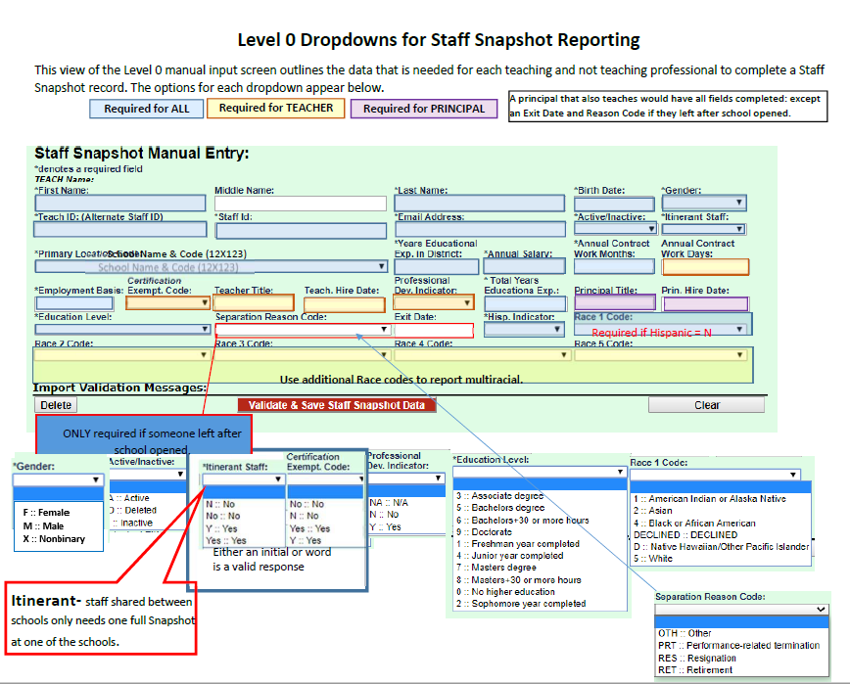

Itinerant Staff - report ALL and ONLY the fields listed below

District Code
Location Code
Status/Active Indicator (Active, Inactive, Deleted)
TEACH ID
Birth Date
Snapshot Date
Itinerant Status (“Y”)
Employment Basis (i.e. half time assignment: “0.5”)
Staff First
Last Name
email (work)
& Position Title (TEACHER or PRINCIPAL)
Field Number | 1 | 2 | 8 | 14 | 40 | 41 | 50 | 56 | 57 | 60 | 65 | 66 | 76 | 105
Column | A | B | H | N | AN | AO | AX | BD | BE | BH | BM | BN | BX | DA
Max Length | 8 | 12 | 50 | 6 | 10 | 1 | 10 | 3 | 20 | 5,3 | 60 | 60 | 80 | 50
FIELD NAME | *DISTRICT CODE | *TEACH ID | +POSITION TITLE TEACHER | *PRIMARY LOCATION CODE | *BIRTH DATE | *ACTIVE -INACTIVE INDICATOR | *SNAPSHOT DATE | *ITINERANT | *TEACH ID | *EMPLOYMENT BASIS | *FIRST NAME LONG | *LAST NAME LONG | *EMAIL ADDRESS | ++POSITION TITLE PRINCIPAL
 | 800#### |  |  | 84_###

